Testcases
DETAILS

Test Case ID [Internal Ref.] |  |  | Test Case ID [External Ref.]
Test Case Description |  | Snapchat HomePage
Updated By |  | Rakshith | Reviewed By |  | Version
Test Case Log & Remark |  | 30/08/2023 By Rakshith

Tested By |  | Rakshith | Date Tested | 2023-08-30 | Test Case Result [PASS/FAIL]
Test Environment |  |  | Environment Build Info
Summary |  | Snapchat HomePage
CMC

LIST OF TEST SCENARIO
# | Pre-Requisite
 | User Should be logged in to application
1 | After successful login user can able to enter home page
2 | 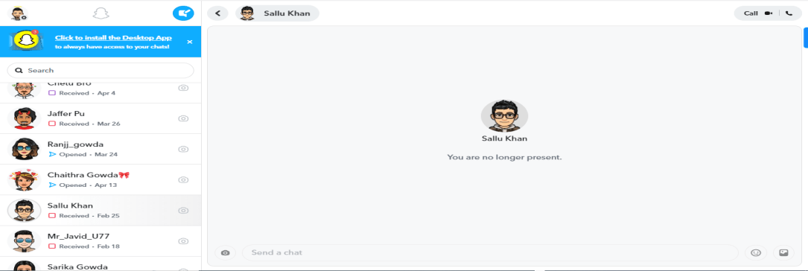 home page should be shown with based on friends list

LIST OF TEST SCENARIO
# | Test Scenarios
1 | Verify that the login screens apperas when the app is launched |  |  |  |  | PASS
2 | Check if users can login using different methods like email,phone number. |  |  |  |  | PASS
3 | Ensure that appropriate error messages are displayed for invalid login attempts. |  |  |  |  | PASS
4 | Check that users can successfully log in with valid credentials. |  |  |  |  | PASS
5 | Test that all navigation elements (e.g., tabs, buttons) on the homepage work as expected. |  |  |  |  | PASS
6 | Verify that users can switch between different sections of the app (e.g., Stories, Chat, Discover) from the homepage. |  |  |  |  | PASS
7 | Verify that Stories from friends are displayed on the homepage. |  |  |  |  | PASS
8 | Check that tapping on a friend's Story opens it and displays the content correctly. |  |  |  |  | PASS
9 | Test that recent chat conversations are displayed on the homepage. |  |  |  |  | PASS
10 | Check that users can open a chat conversation by tapping on it. |  |  |  |  | PASS
11 | Ensure that sending and receiving messages within a chat conversation works smoothly. |  |  |  |  | PASS
12 | Test the search bar on the homepage to ensure users can search for friends or content. |  |  |  |  | PASS
13 | Verify that notifications (e.g., new messages, Story updates) are appropriately displayed on the homepage. |  |  |  |  | PASS
14 | Ensure that tapping on a notification takes the user to the relevant content or conversation. |  |  |  |  | PASS
15 | Ensure that changes made in the settings are reflected correctly on the homepage. |  |  |  |  | PASS
16 | Check if basic functionalities like viewing saved Stories or conversations are available in offline mode when there is no internet connection. |  |  |  |  | PASS
17 | Verify that the homepage and its content are displayed correctly in different languages and regions. |  |  |  |  | PASS

Images
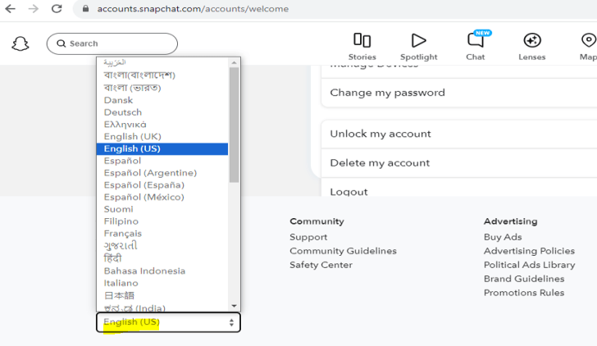
Images of Snapchat
1 | Verify that the login screens apperas when the app is launched
 | 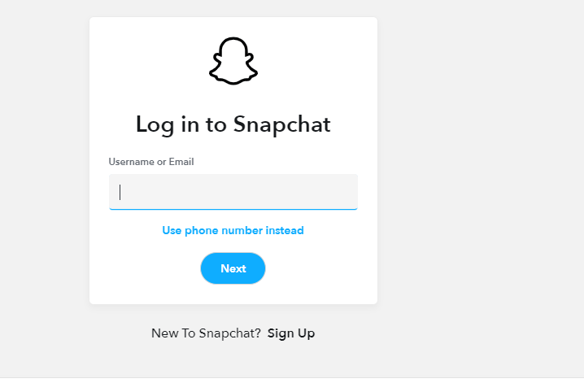

2 | Check if users can login using different methods like email,phone number.
 | 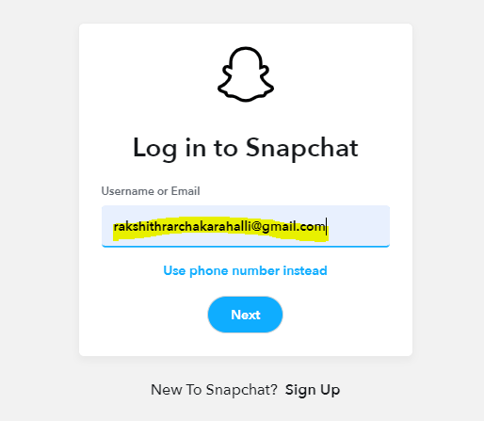 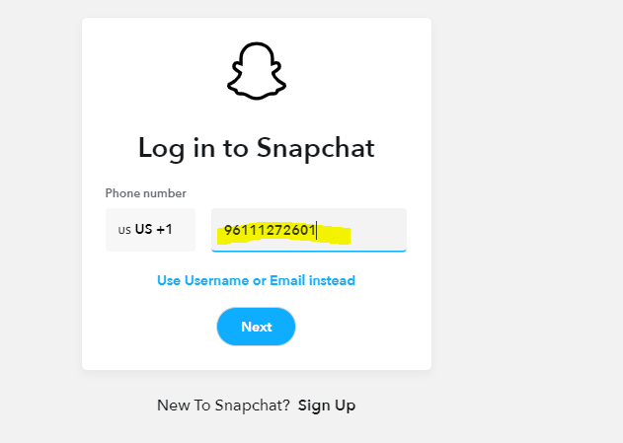

3 | Ensure that appropriate error messages are displayed for invalid login attempts.
 | 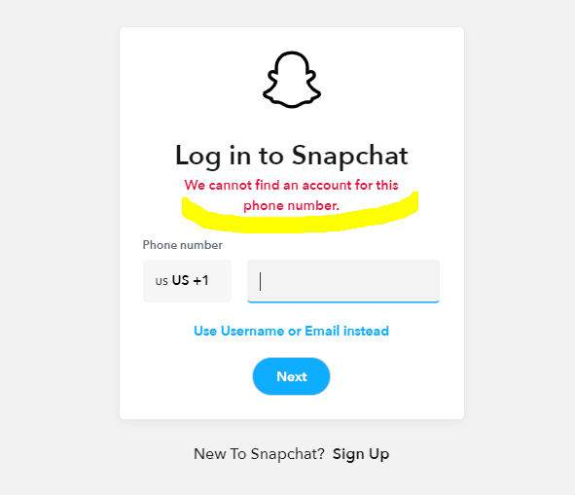

4 | Check that users can successfully log in with valid credentials.
 | 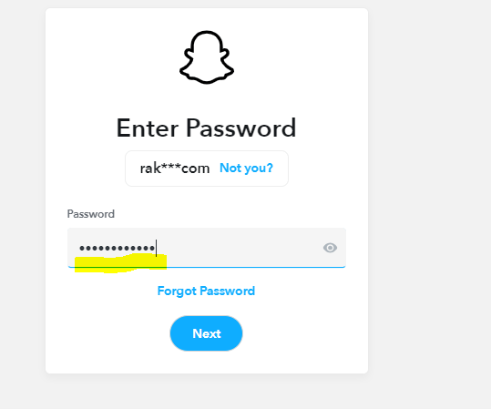 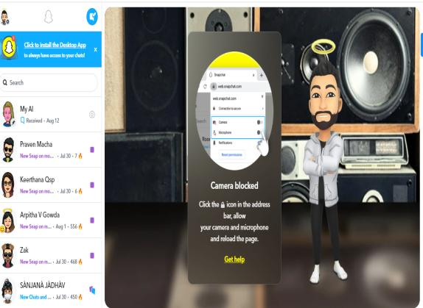

5 | Test that all navigation elements (e.g., tabs, buttons) on the homepage work as expected.
 | 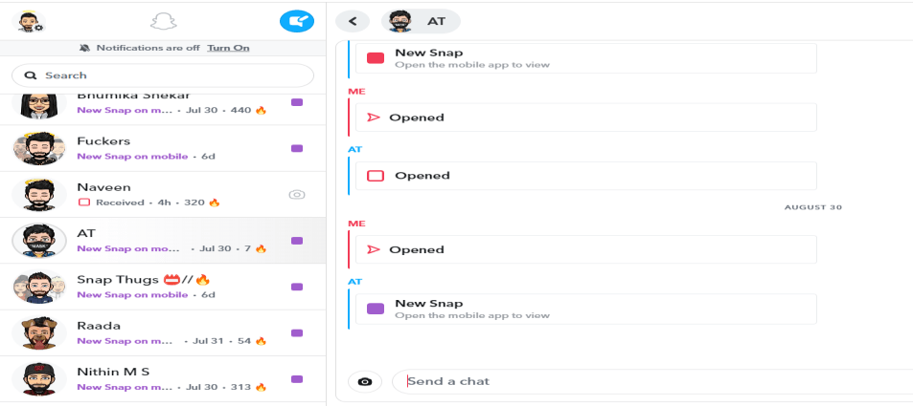

6 | Verify that users can switch between different sections of the app (e.g., Stories, Chat, Discover) from the homepage.
 | 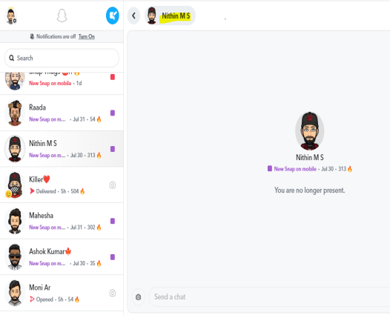 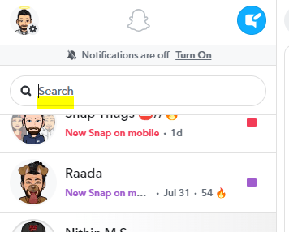

7 | Verify that Stories from friends are displayed on the homepage.
 | 

8 | Check that tapping on a friend's Story opens it and displays the content correctly.

9 | Test that recent chat conversations are displayed on the homepage.
 | 

10 | Check that users can open a chat conversation by tapping on it.
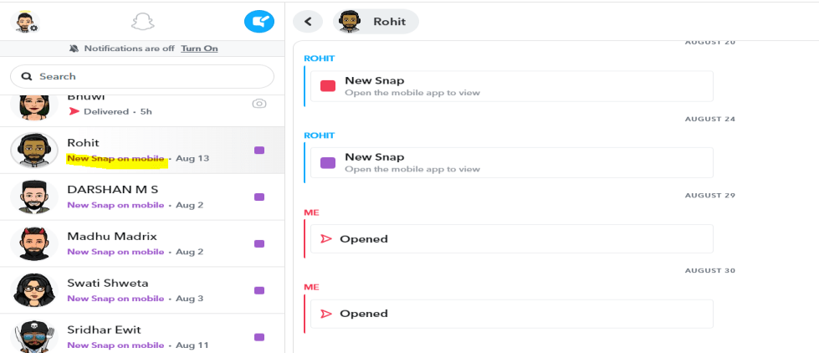

11 | Ensure that sending and receiving messages within a chat conversation works smoothly.


12 | Test the search bar on the homepage to ensure users can search for friends or content.
 | 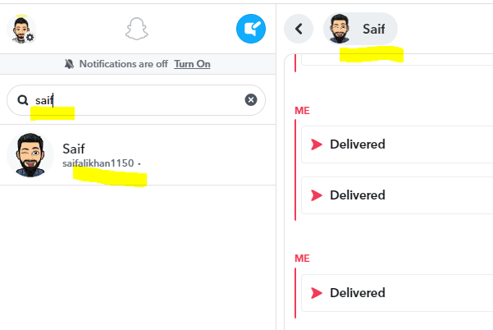

13 | Verify that notifications (e.g., new messages, Story updates) are appropriately displayed on the homepage.
 | 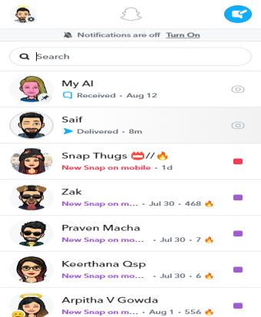 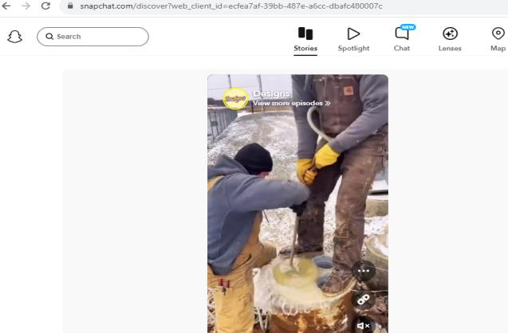

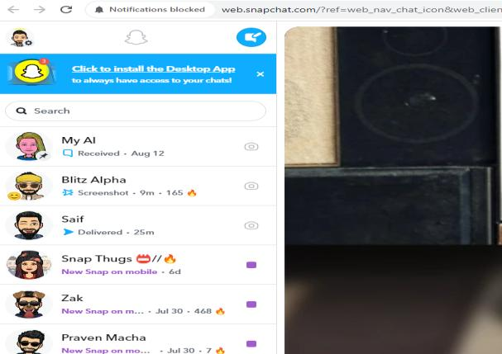
14 | Ensure that tapping on a notification takes the user to the relevant content or conversation.


15 | Ensure that changes made in the settings are reflected correctly on the homepage.
 | 

16 | Check if basic functionalities like viewing saved Stories or conversations are available in offline mode when there is no internet connection.
 | 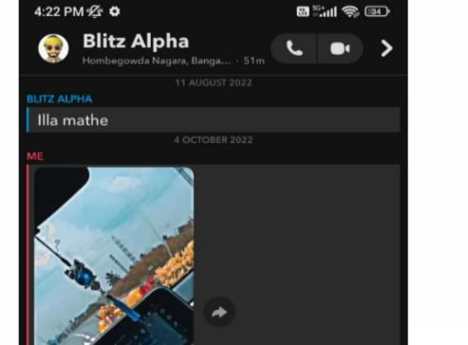

17 | Verify that the homepage and its content are displayed correctly in different languages and regions.

